COFFEE SALES DASHBOARD
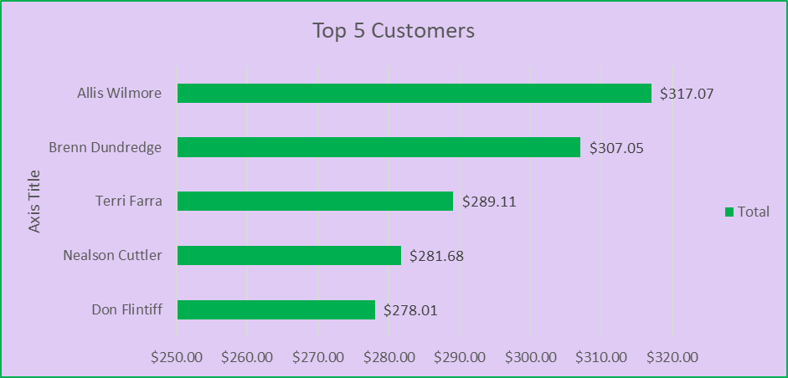
COFFEE SALES DASHBOARD

Total Sales Over Time
 | Ara | Exc | Lib | Rob
Sales by Country
 | Total

